Total Revenue Q&A
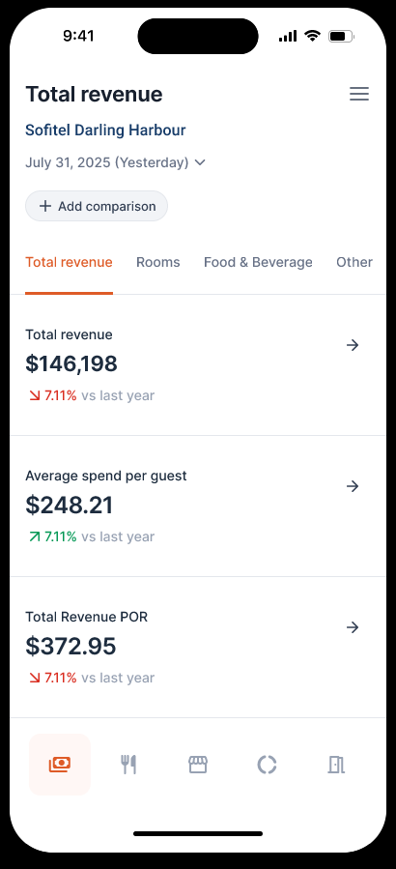
Tab / View | Recommended Question | Response Contents | Timeframe Follow-ups | Comparison Follow-ups | Drill-down | Recommended Follow-ups
Total Revenue (headline) | How did we perform on [date] (e.g. yesterday)? | Total Revenue, Average Spend per Guest, Total Revenue POR. | Month to Date, Year to Date, or any other specific past date — the date itself is a query parameter, not limited to Yesterday/MTD/YTD. | Last Year (shown by default on every metric). Budget and/or Forecast can both be added via 'Add comparison'. | Tap Total Revenue, Average Spend per Guest, or Total Revenue POR for its trend-line detail view. | How about MTD? / YTD? / Compare that to budget. / Compare that to forecast. / How did Rooms perform? / How about F&B? / How about Other & Misc.?
Rooms | How did Rooms perform on [date] (e.g. yesterday)? | Rooms Revenue, Number of Rooms Available, Rooms Sold, Occupancy %, Average Daily Rate, RevPAR, Guests, Room Density. | Month to Date, Year to Date, or any other specific past date — the date itself is a query parameter, not limited to Yesterday/MTD/YTD. | Last Year (default); Budget and/or Forecast addable. | Tap any metric (e.g. Occupancy %, ADR, RevPAR) for its trend-line detail view. | How about MTD? / YTD? / Compare that to budget. / Compare that to forecast. / How does this break down by market segment?
Food & Beverage (revenue slice within Total Revenue) | How did F&B revenue break down on [date] (e.g. yesterday)? | Food Revenue, Beverage Revenue, Other F&B Income, Total F&B Revenue. | Month to Date, Year to Date, or any other specific past date — the date itself is a query parameter, not limited to Yesterday/MTD/YTD. | Last Year (default); Budget and/or Forecast addable. | Tap any line for its trend-line detail view. | Show me covers and average spend per cover. / Which outlet is driving this? — both route to the standalone Food & Beverage domain.
Other | How did Other & Misc. Revenue perform on [date] (e.g. yesterday)? | Total Other & Misc. Revenue, Spa & Health Club, Guest Laundry, Parking, Other Operating Depts, Miscellaneous. | Month to Date, Year to Date, or any other specific past date — the date itself is a query parameter, not limited to Yesterday/MTD/YTD. | Last Year (default); Budget and/or Forecast addable. | Tap any line for its trend-line detail view. | How about MTD? / YTD? / Compare that to budget. / Which category is the largest contributor?

F&B Category Q&A
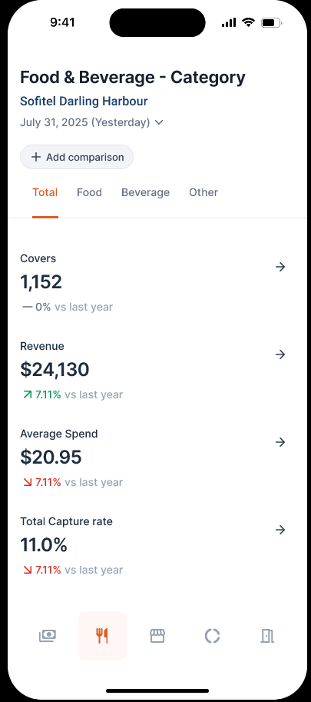
Tab / View | Recommended Question | Response Contents | Timeframe Follow-ups | Comparison Follow-ups | Drill-down | Recommended Follow-ups
Total (all categories) | How did F&B perform on [date] (e.g. yesterday)? | Covers, Revenue, Average Spend, Capture Rate — combined across Food, Beverage, and Other. | Month to Date, Year to Date, or any other specific past date — the date itself is a query parameter, not limited to Yesterday/MTD/YTD. | Last Year (default). Budget and/or Forecast can both be added via 'Add comparison'. | Tap any metric for its trend-line chart plus a 'Covers by Outlet' breakdown, comparing Current vs Last Year (and Budget, if added). | How about MTD? / YTD? / Compare that to budget. / Compare that to forecast. / How did Food do specifically? / Show me by outlet.
Food | How did Food perform on [date] (e.g. yesterday)? | Covers, Revenue, Average Spend, Capture Rate — Food category only. | Month to Date, Year to Date, or any other specific past date — the date itself is a query parameter, not limited to Yesterday/MTD/YTD. | Last Year (default); Budget and/or Forecast addable. | Tap any metric for its trend-line chart plus 'Covers by Outlet' breakdown. | How about MTD? / YTD? / How does Food compare to Beverage? / Show me by outlet.
Beverage | How did Beverage perform on [date] (e.g. yesterday)? | Covers, Revenue, Average Spend, Capture Rate — Beverage category only. | Month to Date, Year to Date, or any other specific past date — the date itself is a query parameter, not limited to Yesterday/MTD/YTD. | Last Year (default); Budget and/or Forecast addable. | Tap any metric for its trend-line chart plus 'Covers by Outlet' breakdown. | How about MTD? / YTD? / How does Beverage compare to Food? / Show me by outlet.
Other | How did Other F&B income perform on [date] (e.g. yesterday)? | Covers, Revenue, Average Spend, Capture Rate — Other F&B category only. | Month to Date, Year to Date, or any other specific past date — the date itself is a query parameter, not limited to Yesterday/MTD/YTD. | Last Year (default); Budget and/or Forecast addable. | Tap any metric for its trend-line chart plus 'Covers by Outlet' breakdown. | How about MTD? / YTD? / Show me by outlet.

F&B Outlet Q&A
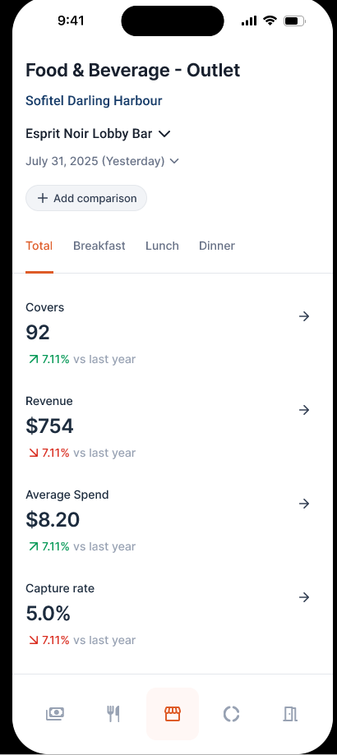
Tab / View | Recommended Question | Response Contents | Timeframe Follow-ups | Comparison Follow-ups | Drill-down | Recommended Follow-ups
Outlet — Total (all serving periods) | How did [outlet] perform on [date] (e.g. yesterday)? | Covers, Revenue, Average Spend, Capture Rate — for the selected outlet, all serving periods combined. | Month to Date, Year to Date, or any other specific past date — the date itself is a query parameter, not limited to Yesterday/MTD/YTD. | Last Year (default). Budget and/or Forecast can both be added via 'Add comparison'. | Tap any metric for its trend-line chart plus a 'Covers by Category' breakdown for that outlet (Food / Beverage / Other). | How about MTD? / YTD? / Compare that to budget. / Compare that to forecast. / How did breakfast do at this outlet? / Which outlet performed best?
Outlet — Breakfast | How did [outlet] perform at breakfast on [date] (e.g. yesterday)? | Covers, Revenue, Average Spend, Capture Rate — for the selected outlet, breakfast service only. | Month to Date, Year to Date, or any other specific past date — the date itself is a query parameter, not limited to Yesterday/MTD/YTD. | Last Year (default); Budget and/or Forecast addable. | Tap any metric for its trend-line chart plus 'Covers by Category' breakdown, scoped to breakfast. | How about lunch? / How about dinner? / How about MTD?
Outlet — Lunch | How did [outlet] perform at lunch on [date] (e.g. yesterday)? | Covers, Revenue, Average Spend, Capture Rate — for the selected outlet, lunch service only. | Month to Date, Year to Date, or any other specific past date — the date itself is a query parameter, not limited to Yesterday/MTD/YTD. | Last Year (default); Budget and/or Forecast addable. | Tap any metric for its trend-line chart plus 'Covers by Category' breakdown, scoped to lunch. | How about breakfast? / How about dinner? / How about MTD?
Outlet — Dinner | How did [outlet] perform at dinner on [date] (e.g. yesterday)? | Covers, Revenue, Average Spend, Capture Rate — for the selected outlet, dinner service only. | Month to Date, Year to Date, or any other specific past date — the date itself is a query parameter, not limited to Yesterday/MTD/YTD. | Last Year (default); Budget and/or Forecast addable. | Tap any metric for its trend-line chart plus 'Covers by Category' breakdown, scoped to dinner. | How about breakfast? / How about lunch? / How about MTD?

Market Segments Q&A
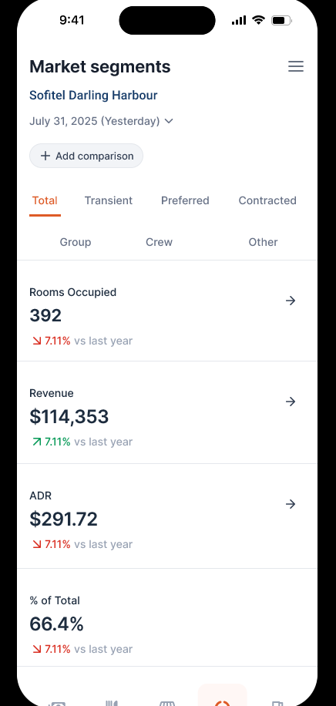
Tab / View | Recommended Question | Response Contents | Timeframe Follow-ups | Comparison Follow-ups | Drill-down | Recommended Follow-ups
Total (all segment groups) | How did our market segments perform on [date] (e.g. yesterday)? | Rooms Occupied, Revenue, ADR, % of Total — combined across all 7 segment groups (Transient, Preferred, Contracted, Group, Crew, Other, and Total itself). | Month to Date, Year to Date, or any other specific past date — the date itself is a query parameter, not limited to Yesterday/MTD/YTD. | Last Year (shown by default). Budget and/or Forecast can both be added via 'Add comparison' — same pattern as Total Revenue and F&B. | Tap any metric for a ranked bar chart of that metric across all 7 groups, Current vs Last Year (and Budget/Forecast, if added). | How about MTD? / YTD? / Compare that to budget. / Which segment drove the most revenue? / How did Transient perform specifically?
Transient | How did the Transient segment perform on [date] (e.g. yesterday)? | Rooms Occupied, Revenue, ADR, % of Total — Transient group only. | Month to Date, Year to Date, or any other specific past date — the date itself is a query parameter, not limited to Yesterday/MTD/YTD. | Last Year (default); Budget and/or Forecast addable. | Tap any metric for a ranked bar chart of Transient's own sub-segments (e.g. Public Direct, Public Indirect), Current vs Last Year (and Budget/Forecast, if added); tap a sub-segment to see its own trend line. | How about MTD? / Compare that to budget. / Which sub-segment is driving this? / How does Transient compare to Preferred?
Preferred | How did the Preferred segment perform on [date] (e.g. yesterday)? | Rooms Occupied, Revenue, ADR, % of Total — Preferred group only. | Month to Date, Year to Date, or any other specific past date — the date itself is a query parameter, not limited to Yesterday/MTD/YTD. | Last Year (default); Budget and/or Forecast addable. | Tap any metric for a ranked bar chart of Preferred's own sub-segments, Current vs Last Year (and Budget/Forecast, if added); tap a sub-segment to see its own trend line. | How about MTD? / Compare that to budget. / How does Preferred compare to Transient?
Contracted | How did the Contracted segment perform on [date] (e.g. yesterday)? | Rooms Occupied, Revenue, ADR, % of Total — Contracted group only. | Month to Date, Year to Date, or any other specific past date — the date itself is a query parameter, not limited to Yesterday/MTD/YTD. | Last Year (default); Budget and/or Forecast addable. | Tap any metric for a ranked bar chart of Contracted's own sub-segments, Current vs Last Year (and Budget/Forecast, if added); tap a sub-segment to see its own trend line. | How about MTD? / Compare that to budget. / Which sub-segment is largest?
Group | How did the Group segment perform on [date] (e.g. yesterday)? | Rooms Occupied, Revenue, ADR, % of Total — Group segment only. | Month to Date, Year to Date, or any other specific past date — the date itself is a query parameter, not limited to Yesterday/MTD/YTD. | Last Year (default); Budget and/or Forecast addable. | Tap any metric for a ranked bar chart of Group's own sub-segments, Current vs Last Year (and Budget/Forecast, if added); tap a sub-segment to see its own trend line. | How about MTD? / Compare that to budget.
Crew | How did the Crew segment perform on [date] (e.g. yesterday)? | Rooms Occupied, Revenue, ADR, % of Total — Crew segment only. | Month to Date, Year to Date, or any other specific past date — the date itself is a query parameter, not limited to Yesterday/MTD/YTD. | Last Year (default); Budget and/or Forecast addable. | Tap any metric for a ranked bar chart of Crew's own sub-segments, Current vs Last Year (and Budget/Forecast, if added); tap a sub-segment to see its own trend line. | How about MTD? / Compare that to budget.
Other | How did the Other segment perform on [date] (e.g. yesterday)? | Rooms Occupied, Revenue, ADR, % of Total — Other segment only. | Month to Date, Year to Date, or any other specific past date — the date itself is a query parameter, not limited to Yesterday/MTD/YTD. | Last Year (default); Budget and/or Forecast addable. | Tap any metric for a ranked bar chart of Other's own sub-segments, Current vs Last Year (and Budget/Forecast, if added); tap a sub-segment to see its own trend line. | How about MTD? / Compare that to budget. — note: this bucket has shown data-quality anomalies (negative revenue) in prior live-data pulls, worth flagging if seen again.

Holdings Q&A
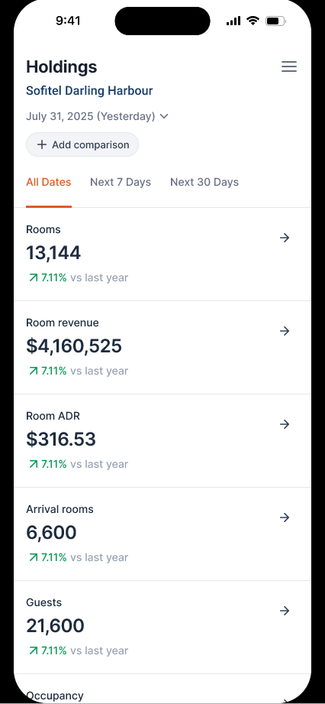
View | Recommended Question | Response Contents | Forward-Window Follow-ups | Drill-down | Recommended Follow-ups
All Dates (current on-the-books position) | How are our bookings looking? | Rooms, Room Revenue, Room ADR, Arrival Rooms, Guests, Occupancy — as currently on the books, all future dates. | Next 7 Days, Next 30 Days. | Tap any metric for a trend line across the selected window, plus a Pickup Pattern chart for that same metric across booking snapshots (90/60/30/14/7/1 days out) — both vs Last Year, shown together automatically. | How about the next 7 days? / The next 30 days? / How does this compare to last year? / How has this changed since yesterday?
Next 7 Days | How do the next 7 days look? | Rooms, Room Revenue, Room ADR, Arrival Rooms, Guests, Occupancy — for the 7-day forward window. | All Dates, Next 30 Days. | Tap any metric for its 7-day trend line plus Pickup Pattern chart, both vs Last Year. | How about the next 30 days? / How does this compare to last year?
Next 30 Days | How do the next 30 days look? | Rooms, Room Revenue, Room ADR, Arrival Rooms, Guests, Occupancy — for the 30-day forward window. | All Dates, Next 7 Days. | Tap any metric for its 30-day trend line plus Pickup Pattern chart, both vs Last Year. | How about the next 7 days? / How does this compare to last year?
All Dates (change since a prior date) | How much has our booking position changed since [date]? / How many rooms have we added this week? | Rooms, Room Revenue, Room ADR, Arrival Rooms, Guests, Occupancy — the DELTA between the current on-the-books position and the position as of a prior snapshot date, not just the current forward total. | Compare current snapshot vs any prior snapshot date (e.g. since yesterday, since last week). | Tap any metric for its Pickup Pattern chart (90/60/30/14/7/1 days out), which is the same underlying view that answers this question. | How does this compare to the same point last year? / How about the next 7 days? / What changed in the last 7 days specifically?

